Sheet1
Test ID | Test Case Name | Steps | Test Data | Expected Result | Actual Result | Status | Type | Priority
1 | Verify serch button for valid data | 1- open the website 2-select visa booking 3-select country from, country to,date 4 enter visa check button | Egypt to Argentina 26/4 | check working fine | check working fine | pass | Manual | HIGH | Version 146.0.7680.178
2 | Verify Error massage when data is empty | 1- open the website 2-select visa booking 3-select country from, country to emty 5- enter visa check button |  | Error massage apper | Please select From Country | pass | Manual | HIGH | Version 146.0.7680.178
3 | Verify date | 1- open the website 2-select visa booking 3-select country from, country to 4- try to select date in past -5 enter visa check button | date 10/4 | can not choose date before the current day | System prevent choose past date | pass | Manual | HIGH | Version 146.0.7680.178
4 | Verify passangers max number | 1- open the website 2-select visa booking 3-select country from, country to ,date 4- try select more passangers -5 enter visa check button | 10passanger | There will be limit for passanger that system can add | System prevent add more than 10 | pass | Manual | HIGH | Version 146.0.7680.178
5 | Validate complete senario for Booking visa | 1- open the website 2-select visa booking 3-select country from, country to ,date ,Tourist Visa,Processing speed,, Travelers 4- enter visa check button 5-fill data | Visa Type Tourist Visa Processing speed Standard Travelers 1 Traveler | Booking Confirmed Successfully! | Visa Inquiry #F939B9A0 | pass | Manual | HIGH | Version 146.0.7680.178
6 | validate Processing Time & information for names | 1- open the website 2-select visa booking 3-select country from, country to ,date ,Tourist Visa,Processing speed,, Travelers 4- enter visa check button 5-fill data anf put numbers in name field | Mr 123 123 | system not accept numbers | Accept to write nummbers without error | Failed | Manual | Medium | 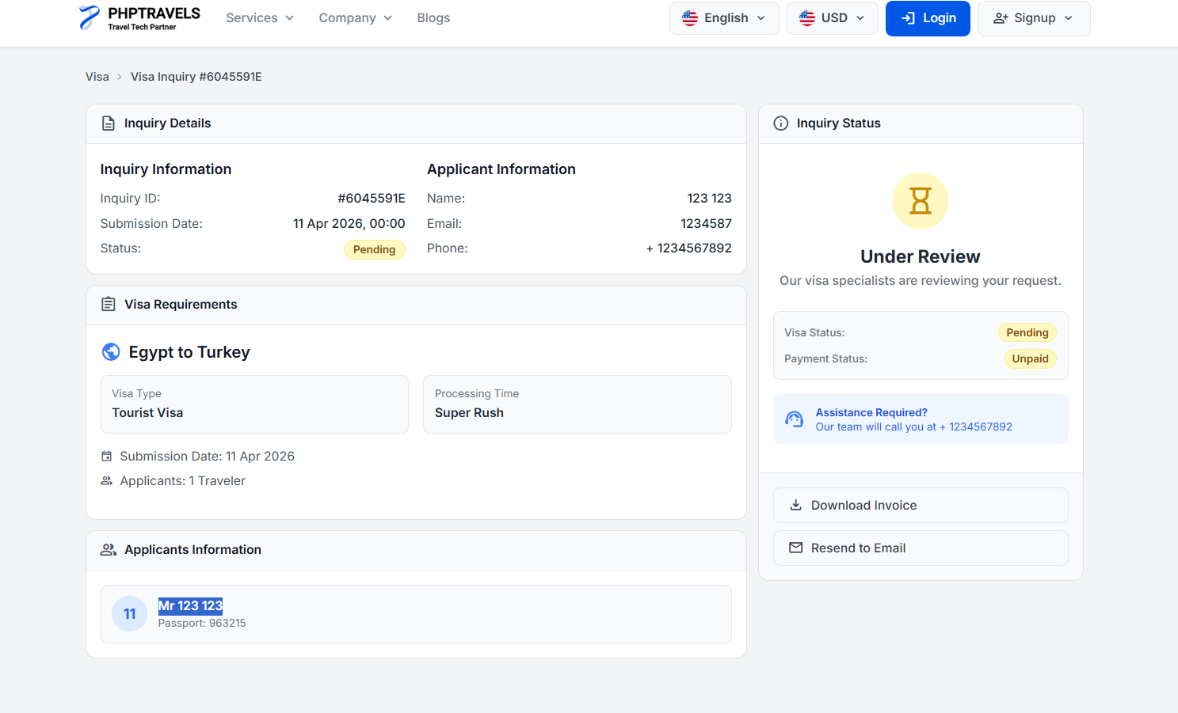 Version 146.0.7680.178

